Sayfa1
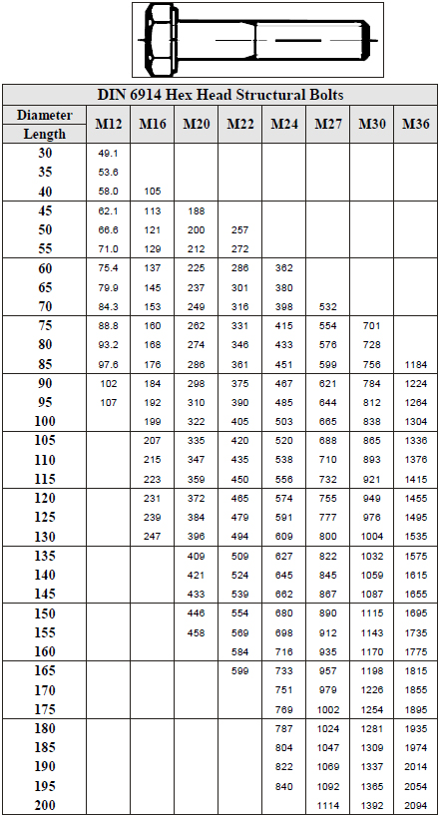
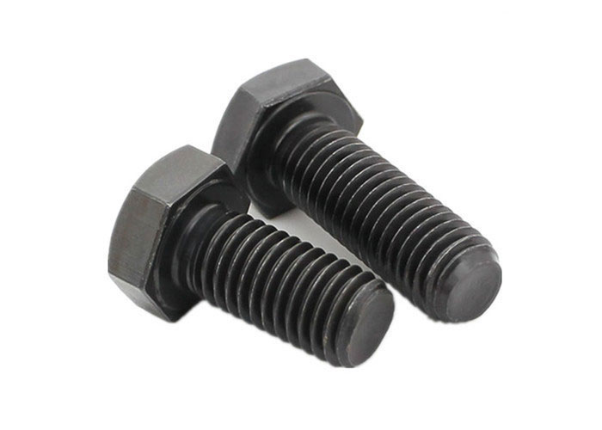
DIN 6914 ISO 7412 HEAVY HEX STRUCTURAL BOLT

DIN 6914 ISO 7412 UNI 5712 Heavy Hex Structural Bolt is used in steel structures, especially for preloaded bolted connections (also known as structural bolting assemblies).

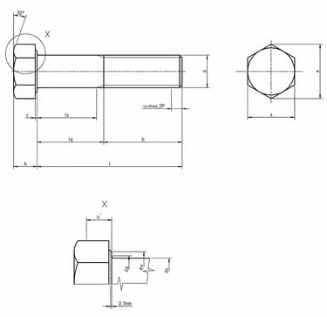

Quality
Steel: 8.8,10.9,12.9
Stainless Steel:A2,A4
Thread:6g

Coatings

Whether you need Zinc plating, PTFE coatings, or any other surface treatment, we've got you covered.
Such as: Zinc plating, Zinc-Nickel plating, Zinc-Flake coatings like Geomet, Dörken, Magni, Corundum, PTFE coatings like Xylan, Xylar, Lubo lubrication, Hot dip galvanising, HDG, Sherardising, Passivating, Antifricor, Powdercoating, Mechanical Zinc, Zinc-Iron... etc.
And the best part? We offer competitive prices and have a variety of options in stock, ready to meet your demand.

Make A gallery for coated bolts

Weight Chart

